Sheet1
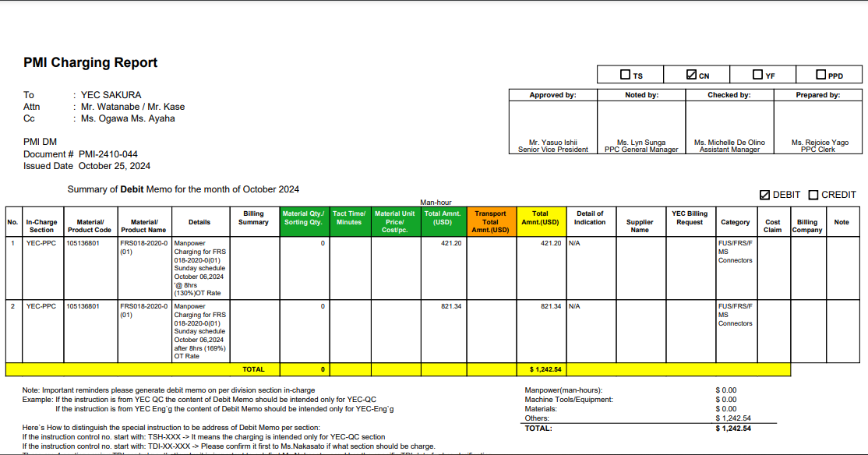
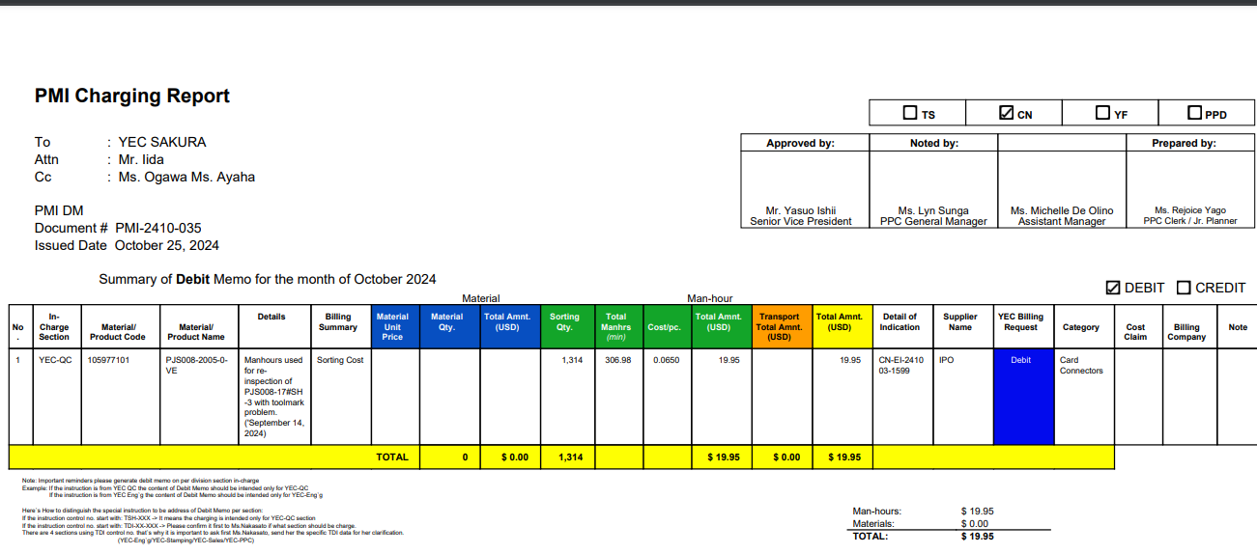

The Billing summary must be included Here.

example for this charging the Billing summary included..

Example
CHARGING REPORT MANUAL

